Formulae
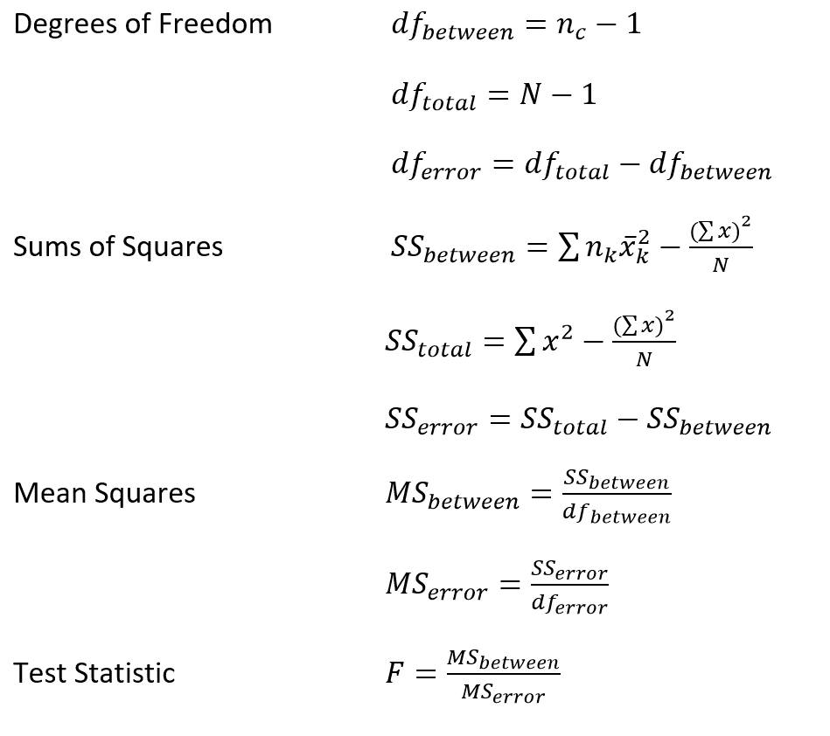
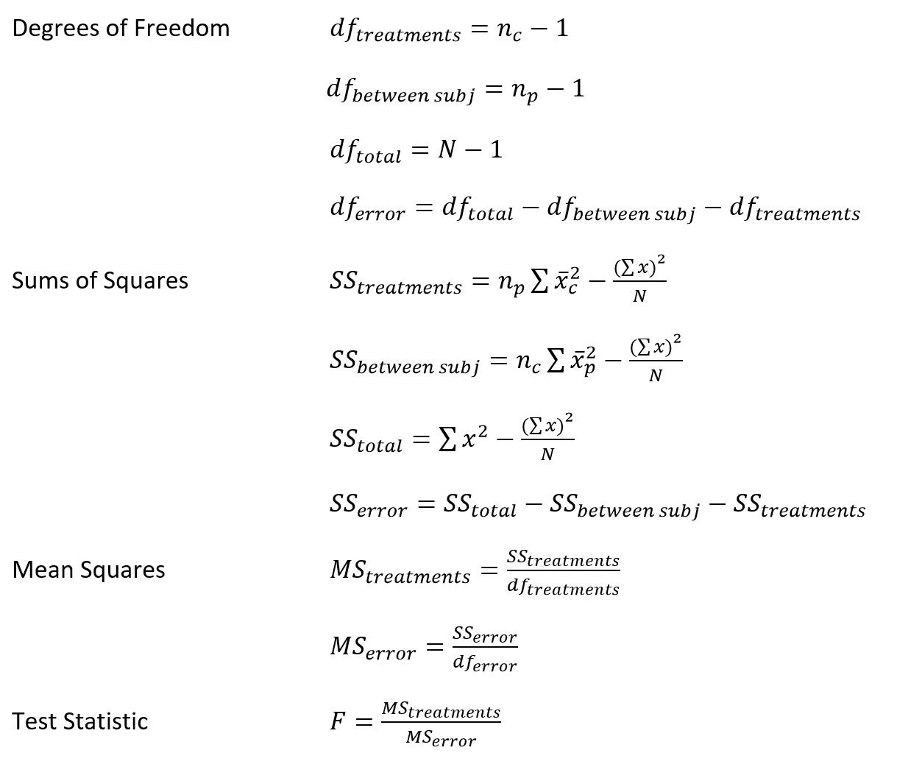
Between-Subjects ANOVA | Within-Subjects ANOVA

